Architecture
MOSS |  | MITECS3HELPER | CAMSTAR WEB SERVICE | CAMSTAR UTILITIES

Mitecs3Helper.Entity library (.dll)
Camstar.Exceptions library
MOSS Web Portal (ASP.NET MVC)
Camstar Web Service
Mitecs3Helper library(.dll)
Camstar.Util library
MOSS Repository library
Mitecs3DataAccessHelper libray

MOSS Service library
Camstar.Utility library
RestEngine library

InsiteXmlClient library
MOSS Domain library

MOSS Database
CAMSTAR DB

MOSS Web | Handle's the MOSS Web portal UI and controller.
MOSS Domain | Handles's the MOSS core business entities.
MOSS Service | Handle's the MOSS business logic.
MOSS Repository | Handle's the MOSS database transactions, camstar transactions, and any other external functionalities

PHO - WMS -> EPULL -> EPOU Flow
PHO MOSS
WMS |  | GOODS RECEIVING |  |  |  |  |  |  |  |  |  | MATERIAL ISSUANCE |  |  |  |  |  |  |  | MATERIAL RETURN

RTV?
Goods Receiving
(PWH_0001)
Picking
(PWH_0008)
Checking/Verification
(PWH_0009)
 |  |  |  |  |  |  |  |  |  |  |  |  |  |  |  |  |  |  |  |  |  |  |  |  | No
 |  |  |  |  |  |  |  |  |  |  |  |  |  |  |  |  |  |  |  |  |  |  |  | Yes
Start
Scrap
(PWH_0004)
SQE Receiving/Inspection
(PWH_0002)
RTV
(PWH_0005)
Borrowed to request?
Acknowledge/ Verify
 |  |  |  |  |  |  |  |  |  |  |  |  |  | No
Acknowledge/ Verify
WH Storage (VMI)
(PWH_0006)
VMI?
Scrap?
 |  |  | Yes |  |  |  |  |  |  |  |  |  |  |  | Yes |  |  |  |  |  |  |  |  |  | No
 |  |  |  |  |  |  |  |  |  |  |  |  |  |  |  |  |  |  |  |  |  |  |  | Yes
List of of For-Return borrowed Materials
Ticket List for Issuance
Borrowed?
List of of For-Return issued Materials
 |  |  |  | No
Issuance
(PWH_0010)
WH Storage (inventory)
(PWH_0006)
Hold
(PWH_0003)
 |  |  |  |  |  |  |  |  |  |  |  |  |  |  |  |  | No

Start
Start
Start
 |  |  |  |  |  |  |  |  |  |  |  |  |  |  |  | Yes

E-PULL |  | Requesting(controller) |  |  |  |  |  |  |  |  | Approval(Planner) |  |  |  | Borrowing(Controller)
Approved by Planner?
Start
 |  |  |  |  |  |  |  |  |  |  | No |  | Yes

Borrowed
(PWH_0011)
Request Ticket
(Request/Borrow)
Check warehouse inventory.
Ticket Created
Lot Allocate
(PWH_0007)
 |  |  |  |  |  |  |  |  |  |  |  |  |  |  |  | No
Return?
 |  |  |  |  |  |  |  |  |  |  |  |  |  |  |  |  | Yes
Compute standard quantity
Select Planner, Subarea, Program
Request Ticket
0 inventory?
Add to ticket
Old Ticket
Partial Ticket?
Select Partnumber
Request more?
 |  |  |  |  |  |  |  | No
 |  |  |  |  |  |  |  |  |  |  |  |  |  |  |  |  |  |  | Yes
New Ticket
Return?
 |  |  |  |  |  |  | Yes |  |  | No
 |  |  |  |  |  |  |  |  |  |  |  |  |  |  |  |  |  |  |  | No
 |  |  |  |  |  |  |  |  |  |  |  |  |  |  |  |  |  |  |  |  |  | No | Yes
 |  |  |  |  |  |  |  |  | Yes

E-POU |  | Receiving (Controller) |  |  |  | Allocation/Withdrawal (Controller) |  |  |  |  |  |  | Scrap/Return(Technician/Controller) |  |  |  |  |  |  |  |  |  |  |  | Consumption (Camstar) | Consumption(Operator)

Start
Normal Issuance
Has for Return To MFG Controller?
Close Borrowed Lot
Has for Scrap?
Has Return to Warehouse?
Material Withdrawal
(WIP Opertion)
Set Up IDM To Equipement
Auto Qty Consumption
by Track Out
 |  |  |  |  | No
 |  |  |  |  |  |  |  | Yes |  |  |  |  |  |  | No |  |  |  | No |  |  | No

Has HOST?
Controller Receive
(PWH_0013)
Allocate Material
Equipment Unload (API)
 |  |  |  | Yes
 |  |  |  |  |  |  |  |  |  |  |  |  | Yes

Return Materials
(PWH_0012)
 |  |  |  |  |  |  |  |  |  |  |  |  |  |  |  |  |  | Yes |  |  | Yes
Equipment Unload (API)
Equipment Unload (API)
Scrap Materials
(PWH_0004)

Has for Scrap?
Has Return To MFG Controller?
Has Return to Warehouse?
Manual Transaction
( Material Consumption)
 |  |  |  |  |  |  |  |  |  |  |  |  |  | Yes
Material Inv. Move
(PWH_0014)
 |  |  |  |  |  |  |  |  |  |  |  |  |  |  | No |  |  |  | No |  |  | Yes

 |  |  |  |  |  |  |  | No

 |  |  |  |  |  |  |  |  |  |  |  |  |  |  |  |  |  |  |  |  | No

 | FIFO/FEFO Logic

Auto Request Workflow
Start
 |  |  |  | This auto request for PHO runs daily in between 6:00-6:30am.

is suggested qty 0?
Check the auto request trigger. (MOSS DB)
Foreach planner perform the next process

Get all planners.
C
Add to ticket.
Weekend?
Get all partnumber associated to the planner.
ongoing?
manually trigger?

 | No |  |  | No

Get subarea usage foreach partnumber.
allow request based on frequency?
is there remaining material?
 |  | Yes |  |  | Yes |  |  |  |  |  |  |  |  |  |  |  | Yes
Yes

A
Save ticket to DB.
Delete the tickets and rollback the associated camstar lots for the day(if any) & if the ticket is not yet approved.
Foreach sub area perform the next process
 |  |  |  |  |  |  |  |  |  |  |  |  |  |  |  |  |  |  | No

End
 |  |  |  |  |  |  |  |  |  |  |  |  |  |  |  | No
A
Get subarea details.
A
is there remaining subareas?
is there remaining planner?
 |  |  |  |  |  |  |  |  |  |  |  |  |  |  |  |  |  | Yes |  |  |  |  | Yes

failed?
already have approved ticket?
 |  |  |  |  |  |  |  |  |  |  |  |  |  |  |  |  |  |  |  |  | No
Foreach material perform the next process
Send email to IT/support
Start generating request.
Update the trigger to "ongoing".
B
 |  |  |  |  |  |  | No
 |  |  |  |  |  |  |  |  |  |  |  |  |  | No
 |  |  |  |  | Yes |  |  |  |  | Yes

 |  |  |  |  |  |  |  |  |  |  |  |  |  |  |  |  |  |  |  | Yes |  | No

Any exception happens during the process.

 | Logs
A
Log event/data.

Weekdays?
Friday?
B
Date today.
Add today + 1
Build pan.
 | Build Plan / Sub Area
 |  |  |  |  |  |  |  |  | No |  |  | DGR
 |  |  |  |  |  |  |  |  |  |  |  | K. Slider

Is DGR?
Get build plan per sub area for the all the builds and with dates given.
 |  |  |  |  |  |  |  | Yes
 |  |  |  |  |  |  |  |  |  |  |  |  | Yes

Add today + 1 (Saturday), today + 2 (Sunday), today + 3 (Monday)
End
 |  |  |  |  |  |  |  |  |  |  |  | No
Build plan/ 27.964

 | Suggested Quantity/ material
Is allocation 0?

C
Get warehouse inventory.
Get basic unit.
compute standard quantity.
input plan * bu * allocation
 |  |  |  | No

 |  |  | Yes
Is WH inventory 0?
Is WH inventory > std. quantity
specific lot number?
insufficient WH inventory?
 |  |  |  |  |  |  |  | No

 |  |  |  |  |  |  |  |  |  |  | No |  |  |  | No

 |  |  |  |  |  | Yes
 |  |  |  |  |  |  |  |  |  | Yes

Return 0
Return Suggested Quantity.
Return only the quantity for specific lot number
Return only the remaining warehouse quantity.

Is the material with selected lot?
Is the material with expiration?
Issuance order by receiving date(FIFO)
Issuance order Logic
FIFO/FEFO

Issuance depending on selected part number.
Issuance order by expiration date(FEFO)

WMS - Goods Receiving
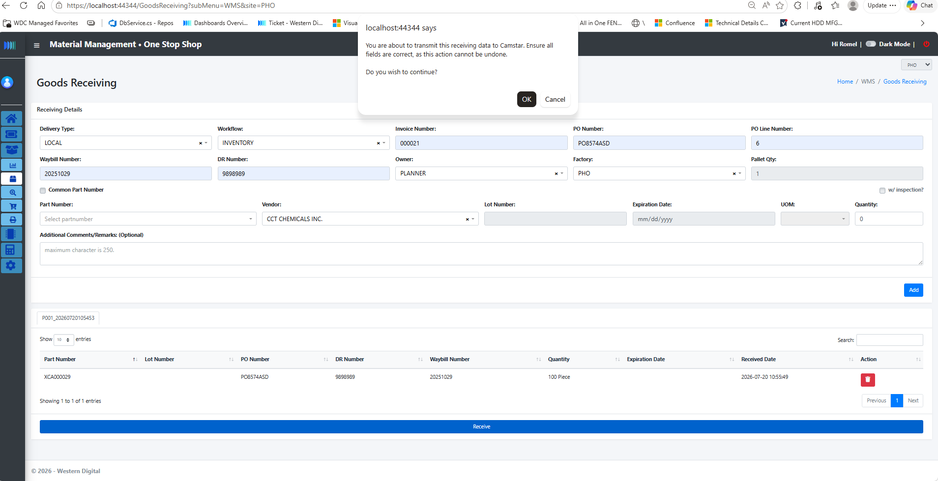
No. | Action | Expected Result | Actual Result | Pass/Fail | Remarks
1 | Fill up the following receiving details. Delivery Type, Workflow,Invoice number,PO Number, PO line number, Waybill Number, DR Number. | If workflow selected is "Inventory" or "VMI" Owner selection will be automatically populated as "PLANNER"
 |  | If workflow selected is "Expense" or "NCV" Owner selection will be automatically populated as "END USER" and the additional input for the end user email address will be showned.
2 | If workflow is Expense or NCV, input the email address of the user. | After inputting 3 characters in the textbox, system will perform a search in the Active Directory and list own all related email.
 |  | After listing the filtered email address, user can continue completing the details or if it is already visible in the selection, they can just simplt select it.
3 | Change the default value of the Pallet Qty. (only if needed)
4 | Select part number. | The system will check the partnumber's attributes, if with inspection, you may able to see that the "With Inspection" checkbox is checked.
 |  | If with lot number, lot number input will be enabled.
 |  | If with expiration, expiration date input will be enabled.
 |  | Vendor will be filtered if there is a vendor set for the selected partnumber.
 |  | Inventory type and initial rack location of the material will also be displayed.
 |  | If the selected material is with no partnumber (NP000,NP100,NP110,NP011,NP010,NP001,NP101,NP111). Selection for the material description will be shown.
5 | User select existing material description from previous transaction, or manually input a new material description | The "no material part number " description based from the selected part number will be replaced by this selected description.
6 | User needs to manually select UOM for this material with no partnumber. They can also input if the uom is not in the list.
7 | Input receiving quantity.
8 | Add receiving remarks (optional)
9 | Click "Add" button. | System will check the input details are complete. If not, it will prompt an error message.
10 | User can select the pallet group the materials should be included. | The system should able to group the receive materials based on the pallet selected.
11 | Click "Receive" button. | The system will prompt a confirmation message to verify receiving details. If click "Cancel" there will be no action,
 |  | If click "Ok", the transaction will proceed and Camstar lot id's will be created per partnumber.
 |  | Material will be moved from goods receiving(PWH_0001) to PWH_0006 or PWH_0002 depending on the withInspection attribute. This can be check in the WIP Table in the dashboard.

WMS - SQE Inspection
No. | Action | Expected Result | Actual Result | Pass/Fail | Remarks
1 | Populate the filter(s) and click "Search" button. | If no details were populated, all materials under SQE inspection(PWH_0002) will be loaded.
2 | Double click on each row. | A modal will pop with the complete receiving details of the material.
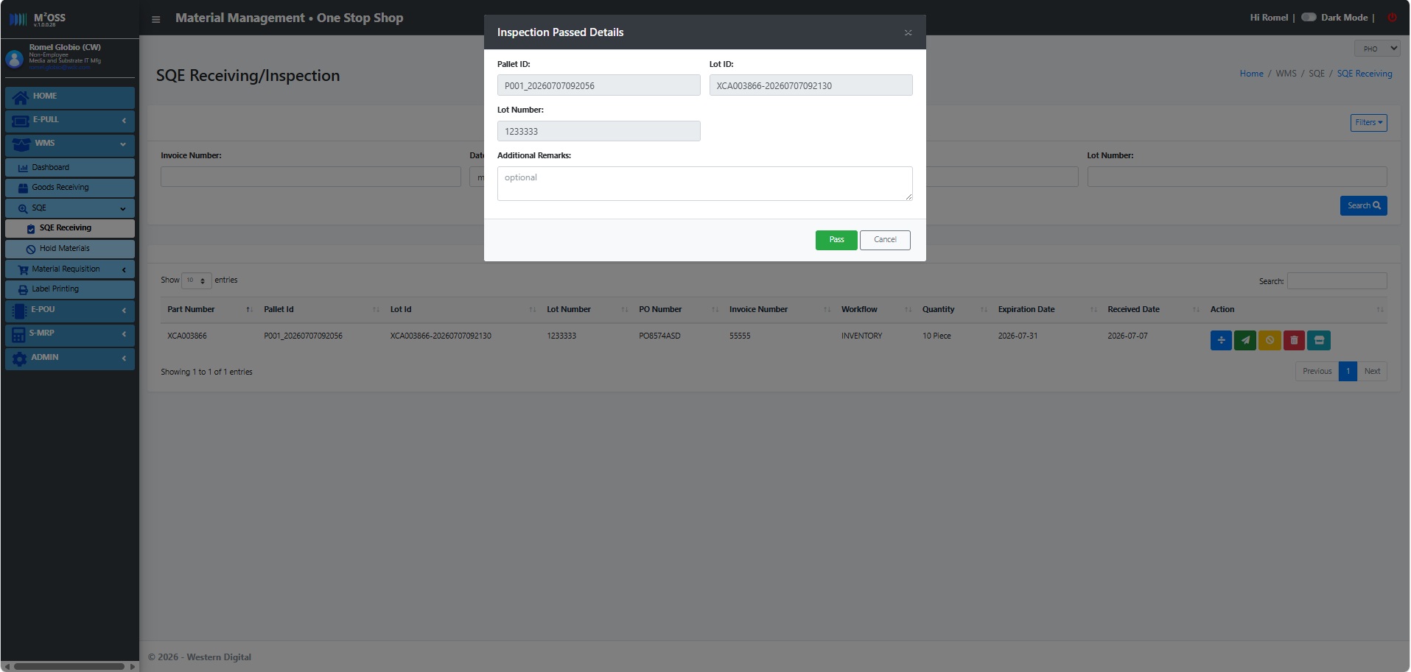
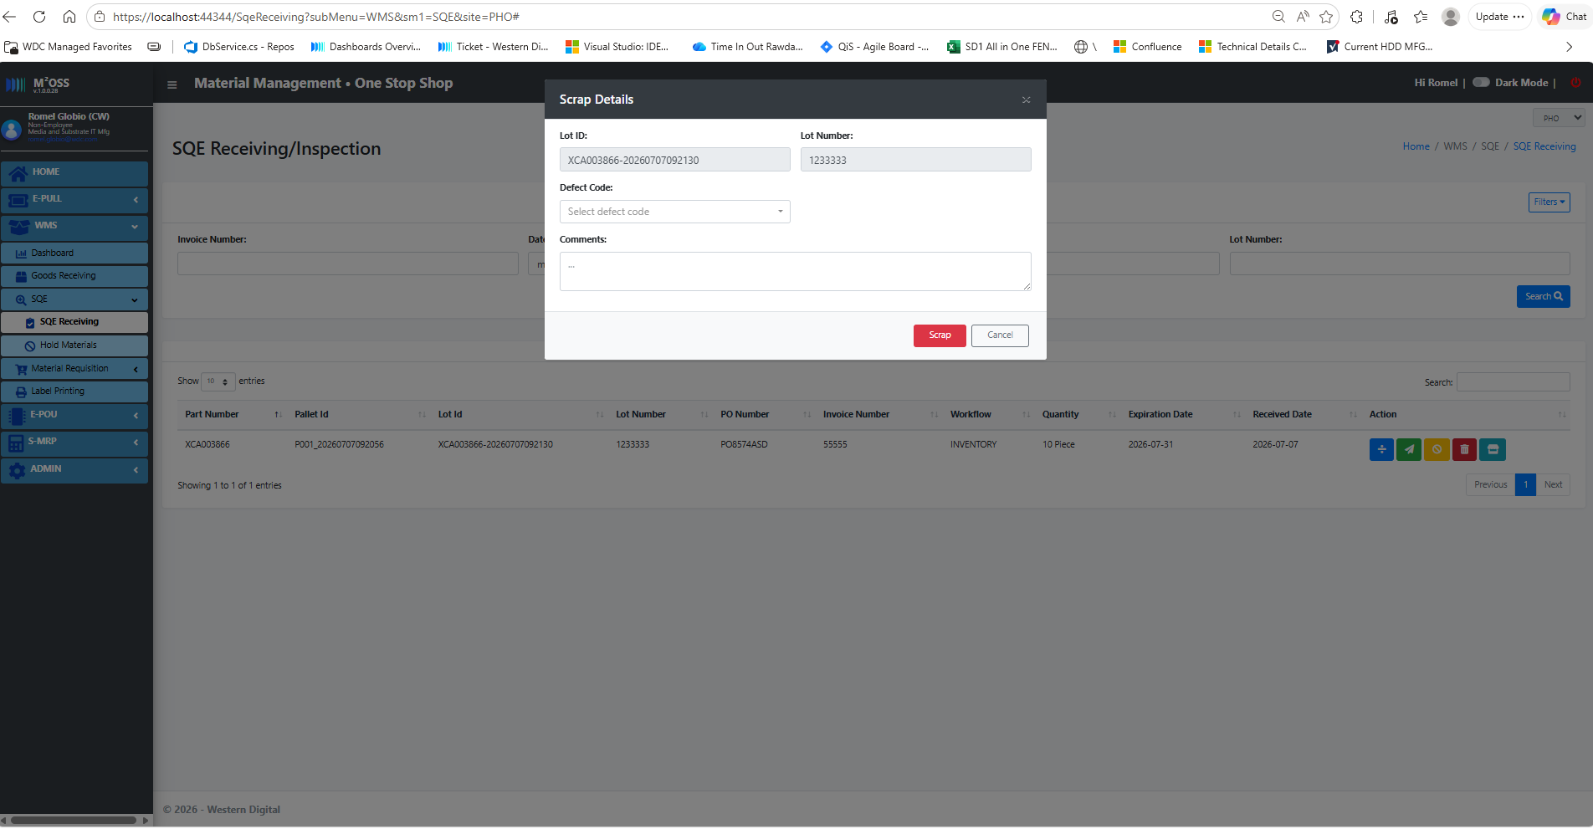
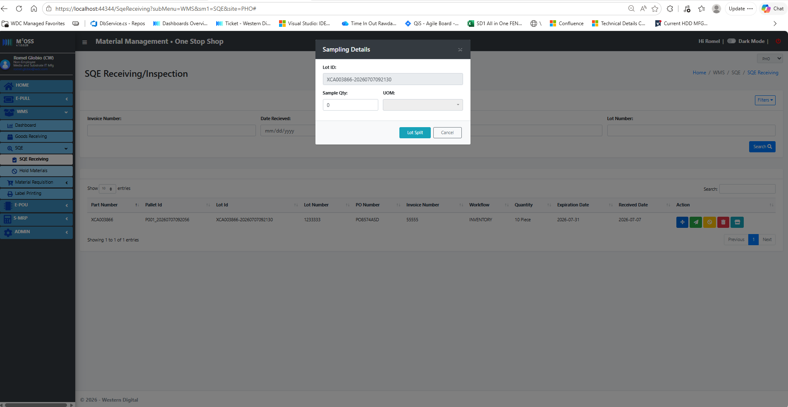
3 | Click "Split Lot" button. | A modal will pop up containing the details required for material splitting. Material splitting is performed in SQE in case there quantity that is being used for sampling and cannot be used again.
 |  | After succesful splitting, user can able to see two separate rows in the table.
4 | Click "Pass" button. | A modal will pop up containing the part number, quantity, lot number (if any).
4.1 | Add remarks(optional) and click proceed button. | The material will moved from SQE inspection PWH_0002 to Inventory PWH_0006.This can be check in the WIP table or in the Inventory table.
5 | Click "Hold" button. | A modal will pop up containing the part number, quantity, lot number (if any). And an input for the hold reason.
5.1 | Select the hold reason and click proceed button. | The material will moved from SQE inspection PWH_0002 to Hold PWH_0003.This can be check in the WIP table or in the Hold table.
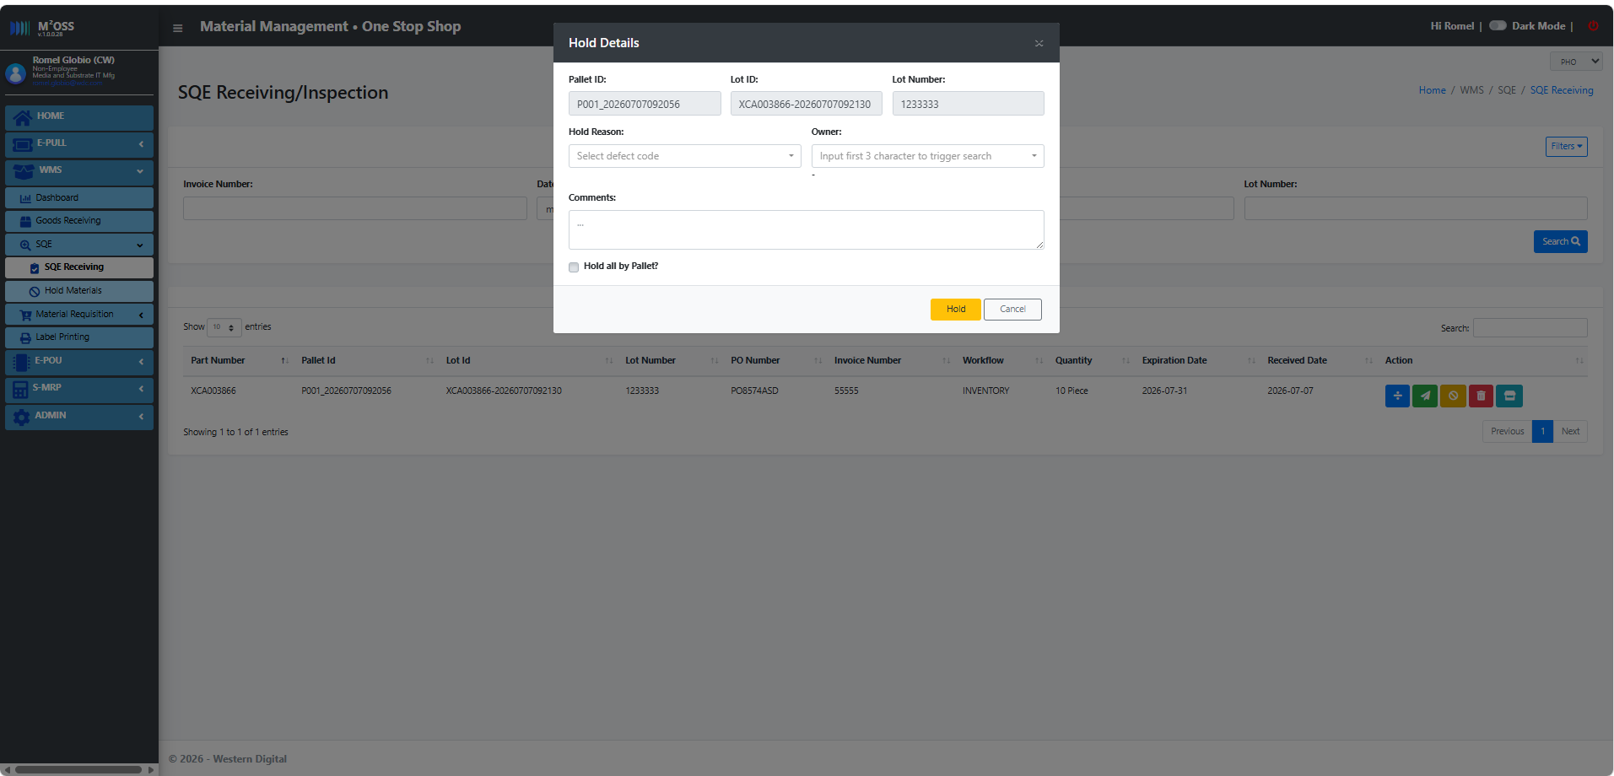
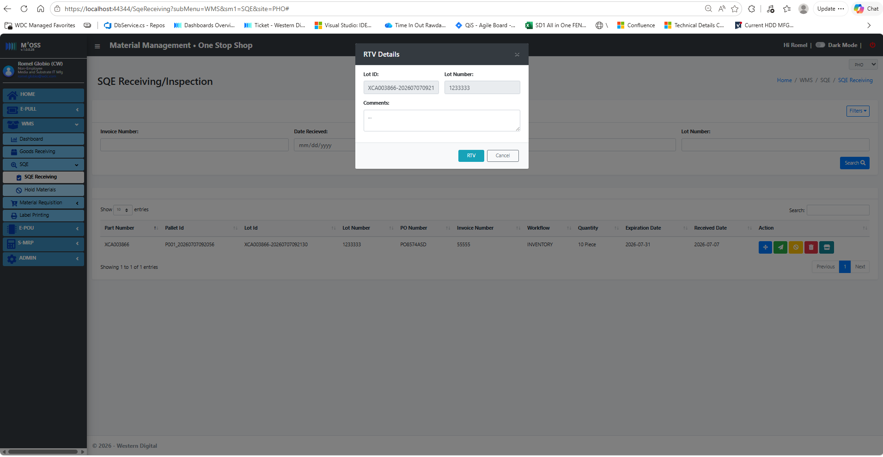
6 | Click "Scrap" button. | A modal will pop up containing the part number, quantity, lot number (if any). And an input for the scrap reason.
6.1 | Select the scap reason and click proceed button. | The material will moved from SQE inspection PWH_0002 to Scrap PWH_0004.This can be check in the Scrap table.
7 | Click "RTV" button. | A modal will pop up containing the part number, quantity, lot number (if any).
7.1 | Click proceed button. | The material will moved from SQE inspection PWH_0002 to RTV PWH_0005.This can be check in the RTV table.

WMS - Hold
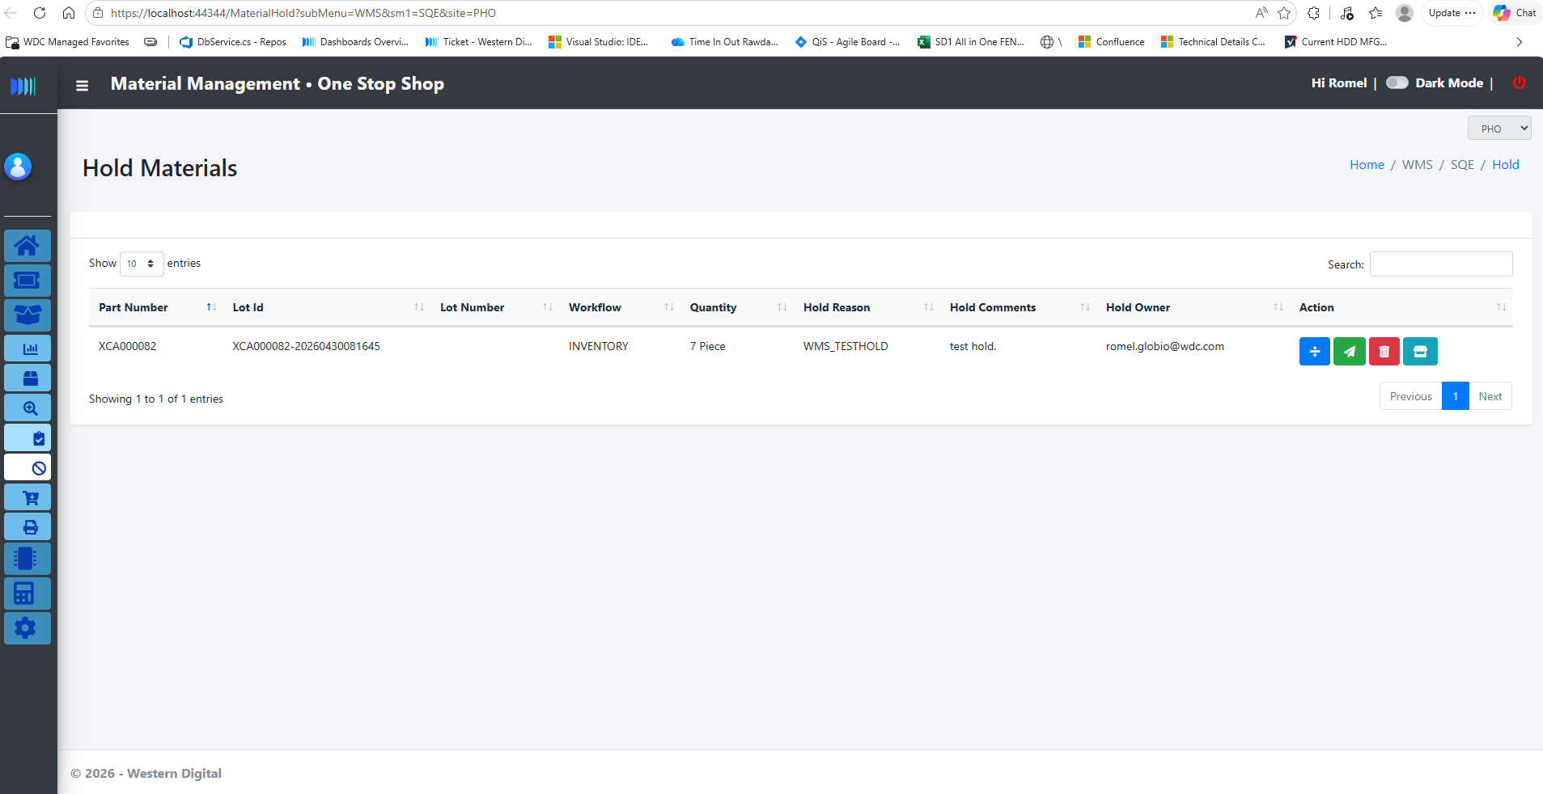
No. | Action | Expected Result | Actual Result | Pass/Fail | Remarks
 | Go to WMS -> SQE -> Hold Materials | List of hold materials will be loaded.
 | Click "Split Lot" button. | A modal will pop up containing the details required for material splitting. Material splitting is performed in SQE in case there quantity that is being used for sampling and cannot be used again.
 |  | After succesful splitting, user can able to see two separate rows in the table.
 | Click "Pass" button. | A modal will pop up containing the part number, quantity, lot number (if any).
 | Add remarks(optional) and click proceed button. | The material will moved from SQE inspection PWH_0002 to Inventory PWH_0006.This can be check in the WIP table or in the Inventory table.
 | Click "Scrap" button. | A modal will pop up containing the part number, quantity, lot number (if any). And an input for the scrap reason.
 | Select the scap reason and click proceed button. | The material will moved from SQE inspection PWH_0002 to Scrap PWH_0004.This can be check in the Scrap table.
 | Click "RTV" button. | A modal will pop up containing the part number, quantity, lot number (if any).
 | Click proceed button. | The material will moved from SQE inspection PWH_0002 to RTV PWH_0005.This can be check in the RTV table.

WMS - Scrap
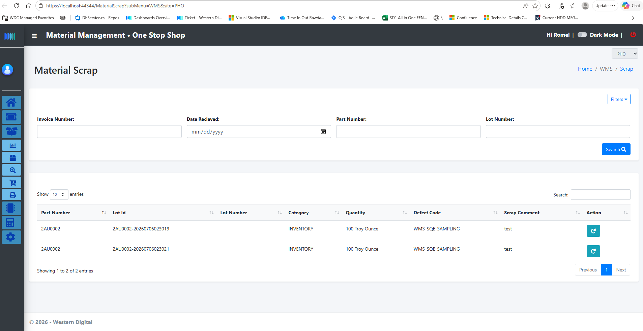
No. | Action | Expected Result | Actual Result | Pass/Fail | Remarks
 | Go to WMS -> Dashboard -> See scrap materials. Populate the filter and click search button. | If no input filter, the system will display all the lots under Scrap operation.
 | Input Undo Scrap Reason and click undo scrap button. | Lot will be moved to its previous operation.

WMS - RTV
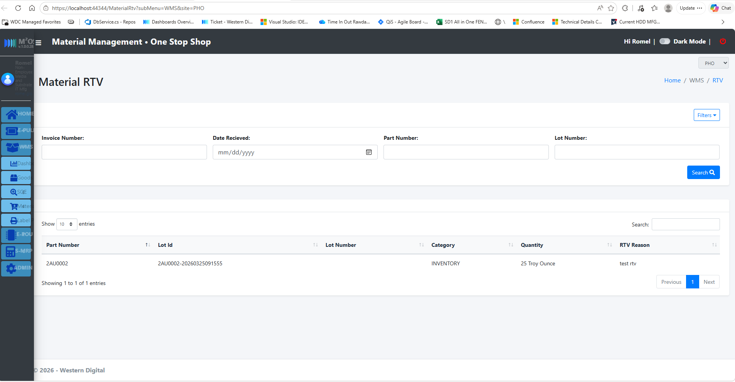
No. | Action | Expected Result | Actual Result | Pass/Fail | Remarks
 | Go to WMS -> Dashboard -> See scrap materials. Populate the filter and click search button. | If no input filter, the system will display all the lots under Scrap operation.

WMS - Storage
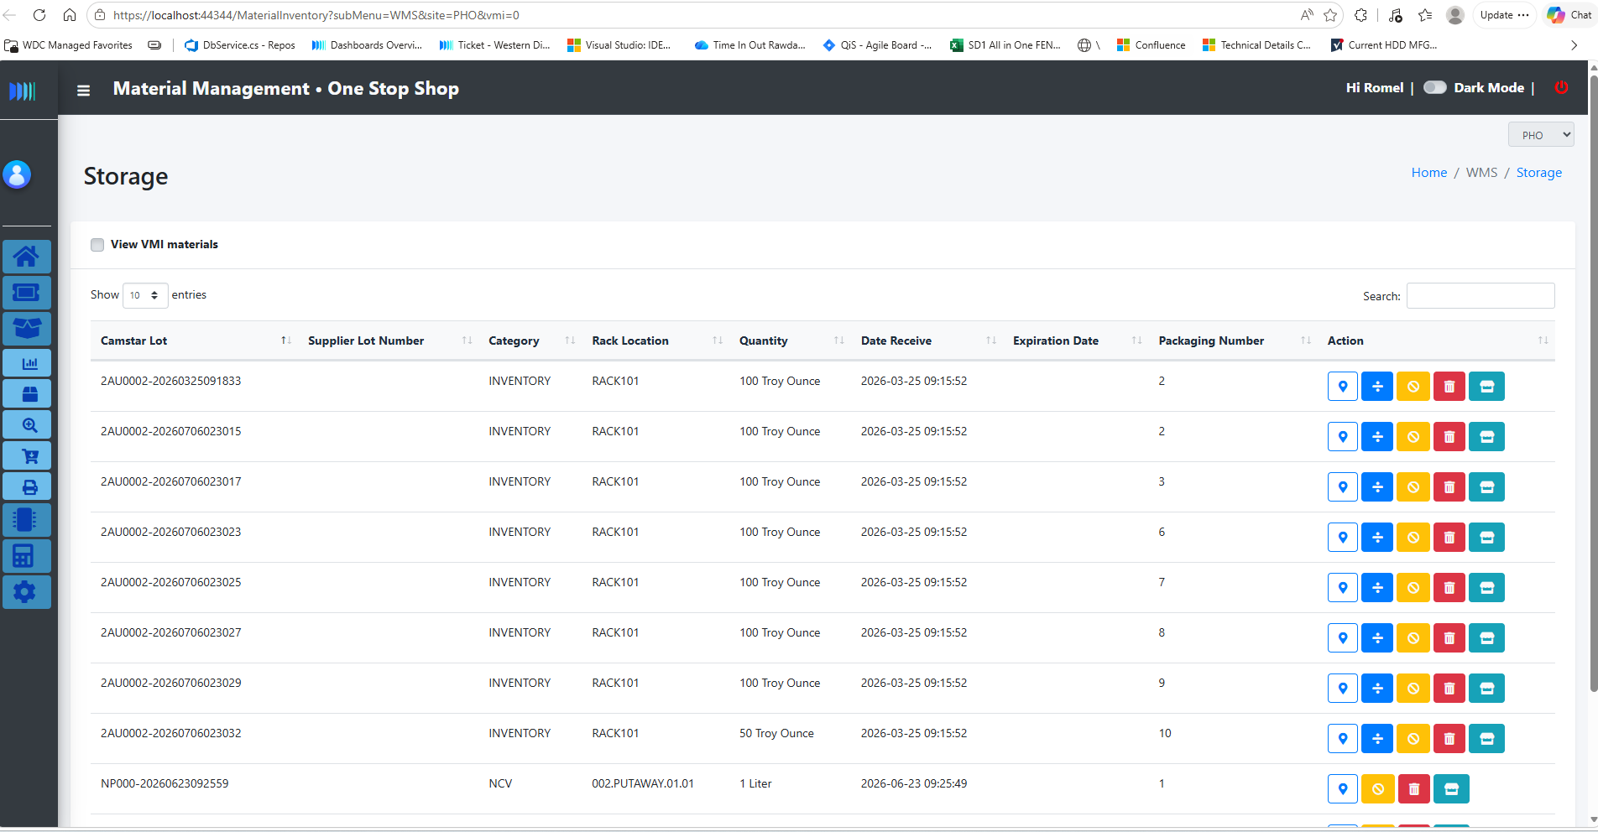
No. | Action | Expected Result | Actual Result | Pass/Fail | Remarks
 | Go to WMS -> Dashboard -> See Material inventory. | The system will load all lots under the Inventory operations PWH_0006.
 | Double click on each row. | A modal will pop with the complete receiving details of the material.
 | Click assign rack location on each row. | a modal will pop containing the details required for assigning lots to rack and printing label.
 | Input the rack location.
 | Set the number of packaging, and the quantity per packaging. Input also the Packagin type(for label details purposes) | If the packaging quantity is more than 1, input for Quantity per pack and excess quantity will be showned.
 | Check the "equal qty" checkbox. | the system automatically compute the quantity per pack based on the total quantity and the packaging quantity.
 | Click Assign button. | System will check if the divided quantity matches the total quantity.
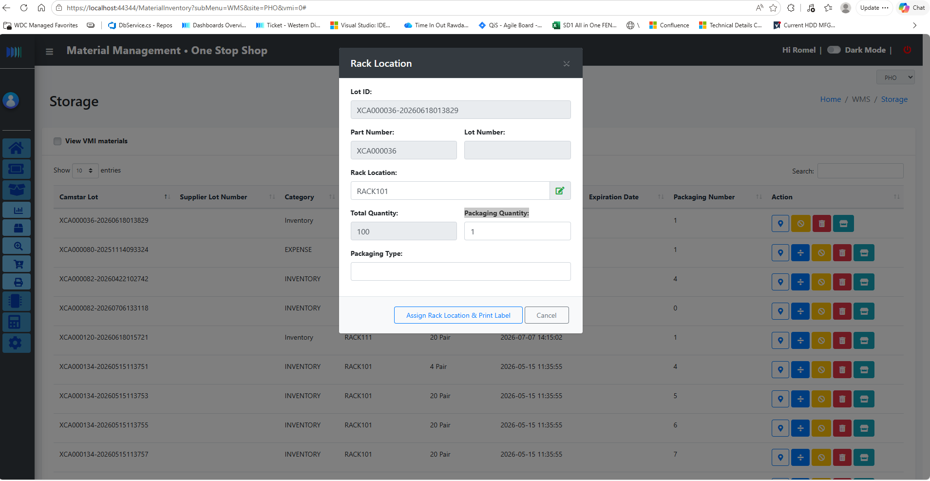
 | Click "Split Lot" button. | A modal will pop up containing the details required for material splitting. Material splitting is performed in SQE in case there quantity that is being used for sampling and cannot be used again.
 |  | After succesful splitting, user can able to see two separate rows in the table.
 | Click "Hold" button. | A modal will pop up containing the part number, quantity, lot number (if any). And an input for the hold reason.
 | Select the hold reason and click proceed button. | The material will moved from SQE inspection PWH_0002 to Hold PWH_0003.This can be check in the WIP table or in the Hold table.
 | Click "Scrap" button. | A modal will pop up containing the part number, quantity, lot number (if any). And an input for the scrap reason.
 | Select the scap reason and click proceed button. | The material will moved from SQE inspection PWH_0002 to Scrap PWH_0004.This can be check in the Scrap table.
 | Click "RTV" button. | A modal will pop up containing the part number, quantity, lot number (if any).
 | Click proceed button. | The material will moved from SQE inspection PWH_0002 to RTV PWH_0005.This can be check in the RTV table.
 | Ticked the "View VMI materials". | Display will be reloaded showing all VMI materials in Storage operation PWH_0006
 | Click Transfer to Inventory button. | A modal will pop up containingthe lot id and an input for the new rack location.
 | Input new rack location. And click Move to inventory. | If the rack location is empty, the system will prompt an error.
 |  | Lot will move from VMI to inventory. Lot attributes will be updated, new rack location and the receiving timestamp will be updated also.

WMS - Issuance
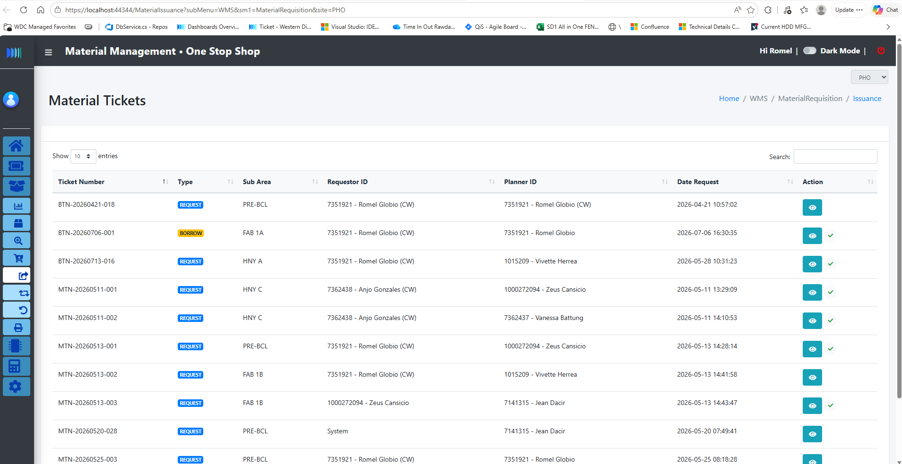
No. | Action | Expected Result | Actual Result | Pass/Fail | Remarks
 | Go to WMS -> Material Requisition -> Material Issuance. | The system will display the list of approved tickets for approval
 |  | The check icon on the right side of each ticket, indicates that the ticket was already acknowledge by a warehouse personnel.
 | Click the View button on each row. | A modal will pop up containing the details for material issuance.
 | Click the Print button. | System will print the full details of the request, including the camstar lot id's.
 | Click Acknowledge button. | The system will tag the ticket as acknowledged, the input box for the camstar lot for picking will be enabled.
 | Double click each part number in the table. | A modal will pop up containing the camstar lots allocated and its current status.
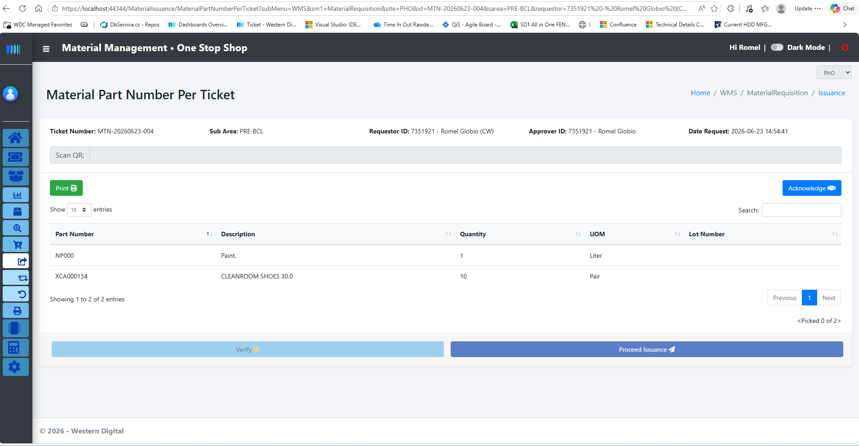
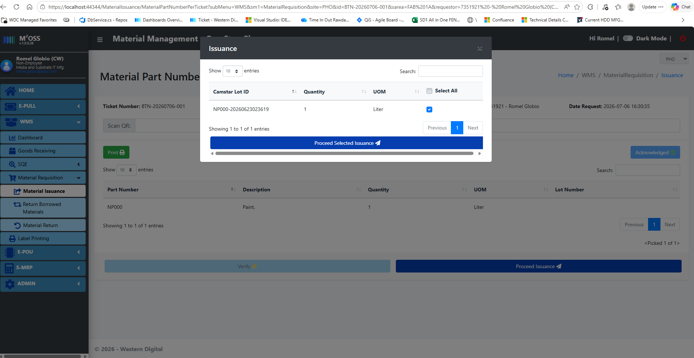
 | Scan Camstar lot Id in the input box. | If the camstar lot is manually inputted, the system will prompt an error message.
 |  | If the scanned lot is not in the ticket list, the system will prompt an error message.
 |  | If the scanned lot is a parent lot, the system will prompt "split lot" message to notify the user. A label will be printed also for the splitted lot.
 |  | If the scanned lot is successfully validated, the lot will move from assign lot PWH_0007 to Picked PWH_0008.
 |  | If the ticket is from Borrowed convert to Request, scaning is not required. (Actual materials area already in the production.)
 | Click verify button. | the system will prompt a confirmation alert before proceeding with the transaction.
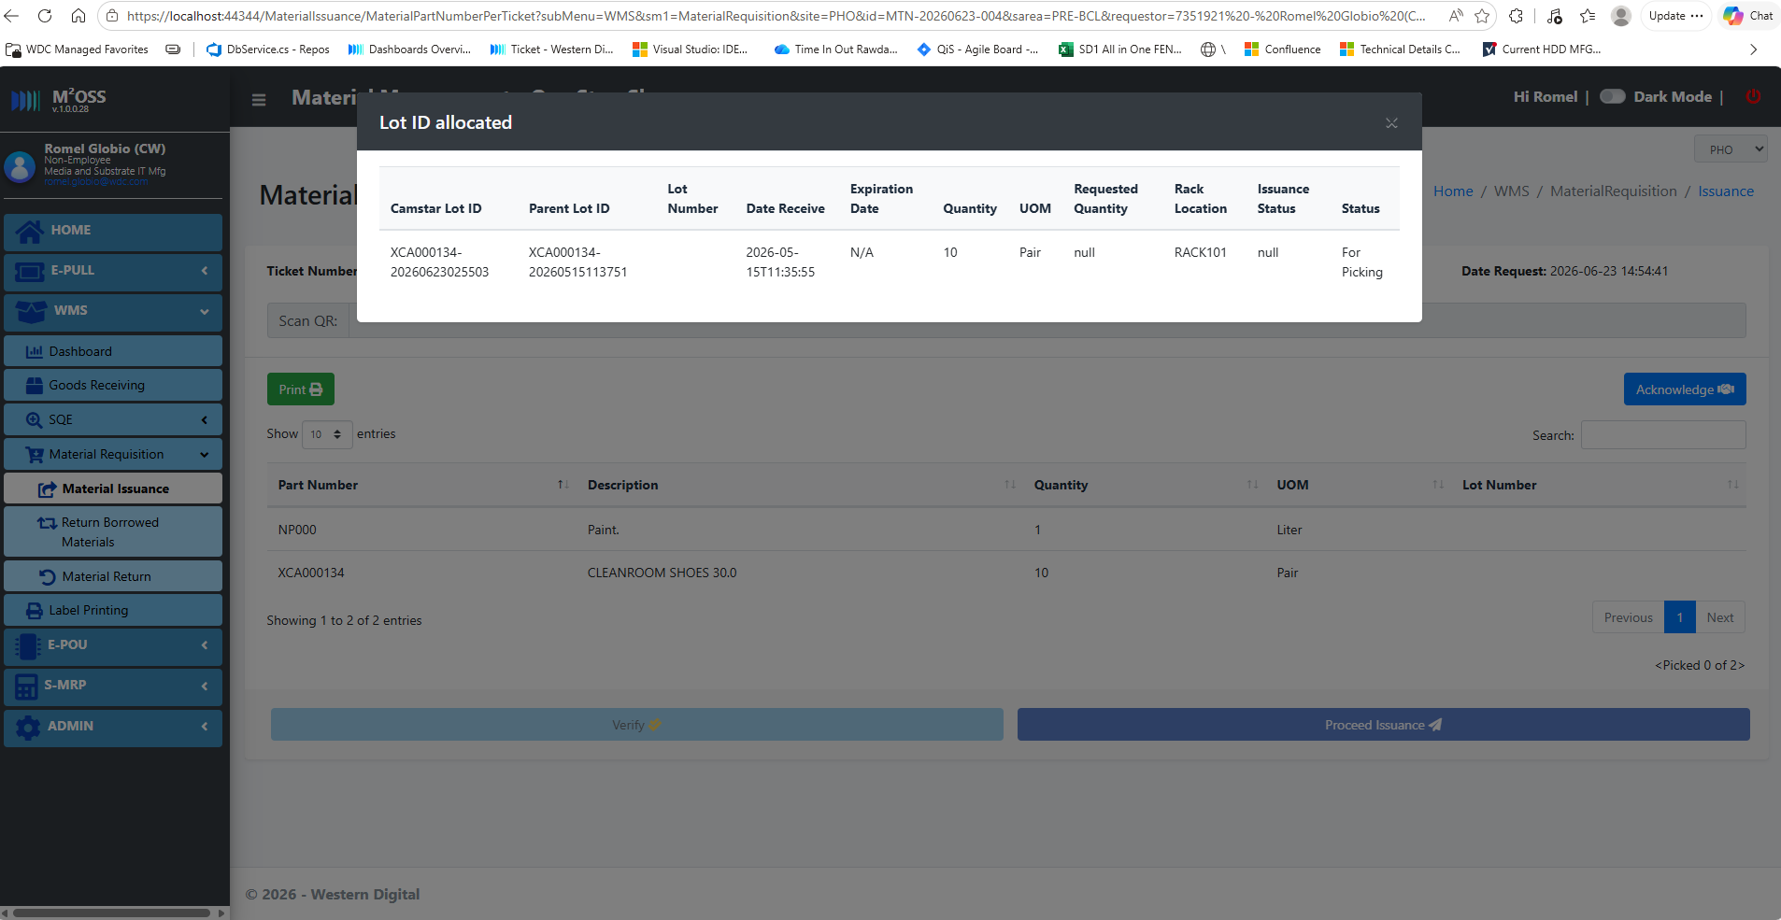
 |  | All Picked PWH_0008 lots from the ticket will be move to Checked PWH_0009 operation.
 |  | This button will only be enabled if the current login user is different from the one who performed the picking.
 |  | If the ticket is from Borrowed convert to Request, checking/verification is not required. (Actual materials area already in the production.)
 | Click Proceed Issuance button. | A modal will pop up containing all the checked/verfied materials.
 | Select part number for issuance. | User can able to select only specific part number for issuance. (Partial issuance)
 |  | User can able to select all part number for issuance.
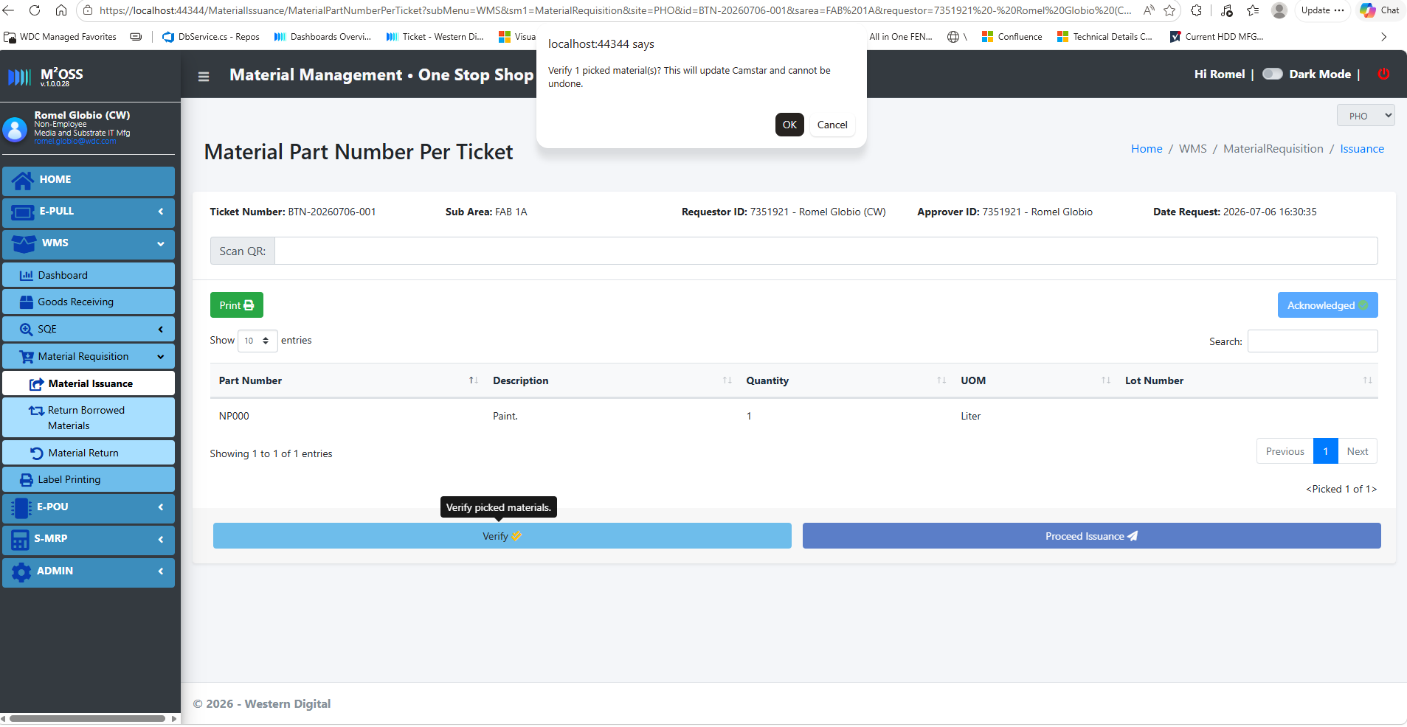
 | Click proceed button. | the system will prompt a confirmation alert before proceeding with the transaction. If click cancel, the will be no action.
 |  | If click Ok, the ticket status will be changed to "partial" or "closed".
 |  | If partial issuance, ticket should still be available in the Material Issuance module.
 |  | If full issuance, ticket will be removed from the material issuance list.

WMS - Return Borrowed
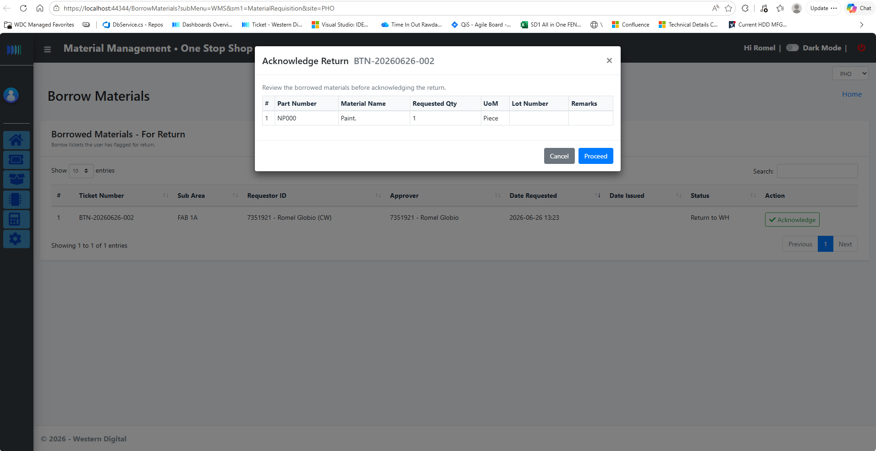
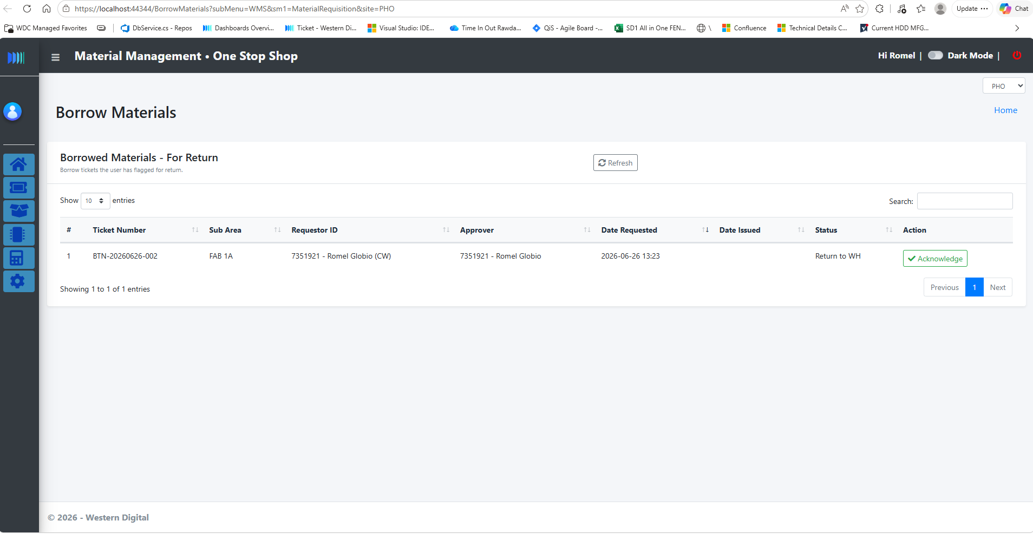
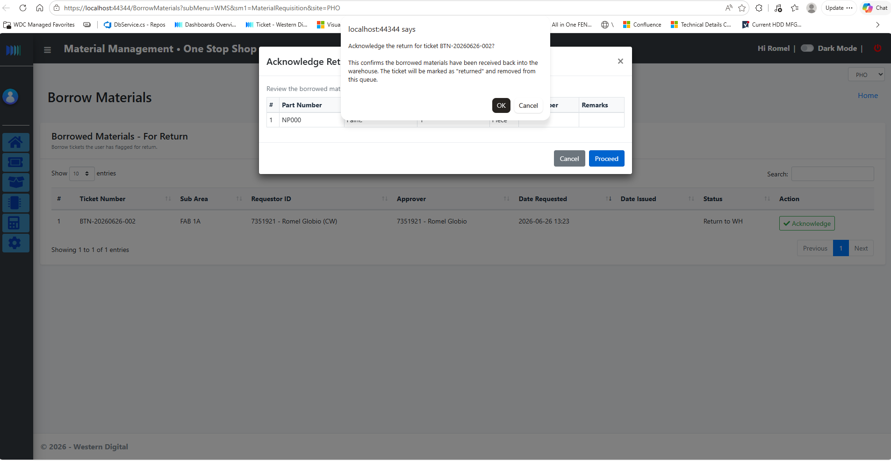
No. | Action | Expected Result | Actual Result | Pass/Fail | Remarks
 | Go to WMS -> Material Requisition -> Borrowed Materials | The system will display all borrowed tickets that are for return.
 | Click acknowledge button. | A modal will pop up containing the materials under the ticket.
 | Click cancel button. | Modal will close and the ticket will retain in the list.
 | Click proceed button. | the system will prompt a confirmation first before proceeding with the transaction.
 |  | If click Ok, ticket status will be closed and the lots will be move from borrow PWH_0011 to Inventory PWH_0006. Thhis can be check in the WIP table.

WMS - Return
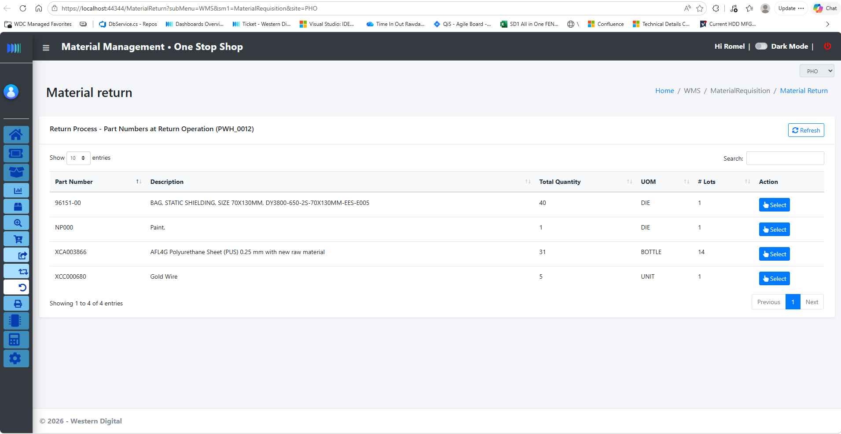
No. | Action | Expected Result | Actual Result | Pass/Fail | Remarks
 | Go to WMS -> Material Return | The system will display all part numbers for return. This data is transacted from the E-POU return trnsaction.
 | Search specific part number. | The system will filter the display.
 | double click each row or click the view button. | A modal will pop up containing all the camstar lot id's with quantity, sub area details from the selected partnumber.
 | Select the camstar lot. | If the selected are multiple, the system will check if these are all coming from the same sub area. If not it will pompt an error message.
 | Select material destination (Inventory, scrap, Rtv) | By default it is in Inventory.
 | Input the rack location.
 | Click proceed button. | If the rack location is empty, the system will prompt an error message.
 |  | If multiple lots are selected, system will ask if the user wants to combine the quantity in one lot.
 |  | The system will prompt a confirmation first before proceeding with the transaction.
 |  | If click Ok, the lots will moved based on the selected destination.
 |  | If going to inventory, the system will reprint a label.

